Baseline Graph
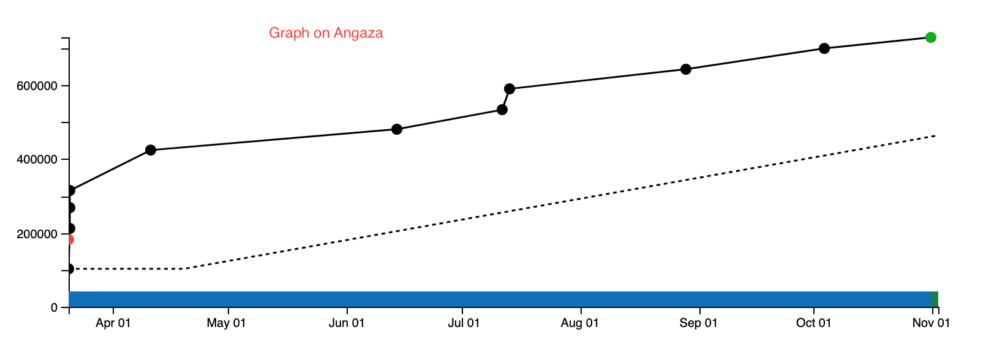
AC7448586 | This is account id (1st column in the Clients_Accounts)
Downpayment | 103,698
Monthly installment | 55,046
Days covered by downpayment | 30
From the data
Days covered by all monthly installments (excluding downpayment) | 360

Account Registration Date | Expected payment date | Expected Payment (Cumulative) | Comment
2023-03-20 | 2023-03-20 | 103,698 | starting point (downpayment)
 | 2023-04-19 | 103,698 | downpayment covers to this point
 | 2023-05-19 | 158,744 | add monthly installment
 | 2023-06-18 | 213,790 | add monthly installment
 | 2023-07-18 | 268,836 | add monthly installment
 | 2023-08-17 | 323,882 | add monthly installment
 | 2023-09-16 | 378,928 | add monthly installment
 | 2023-10-16 | 433,974 | add monthly installment (Actual last payment month)
 | …
 | ..
 | 2024-04-13 |  | Expected last payment date

